Sheet1

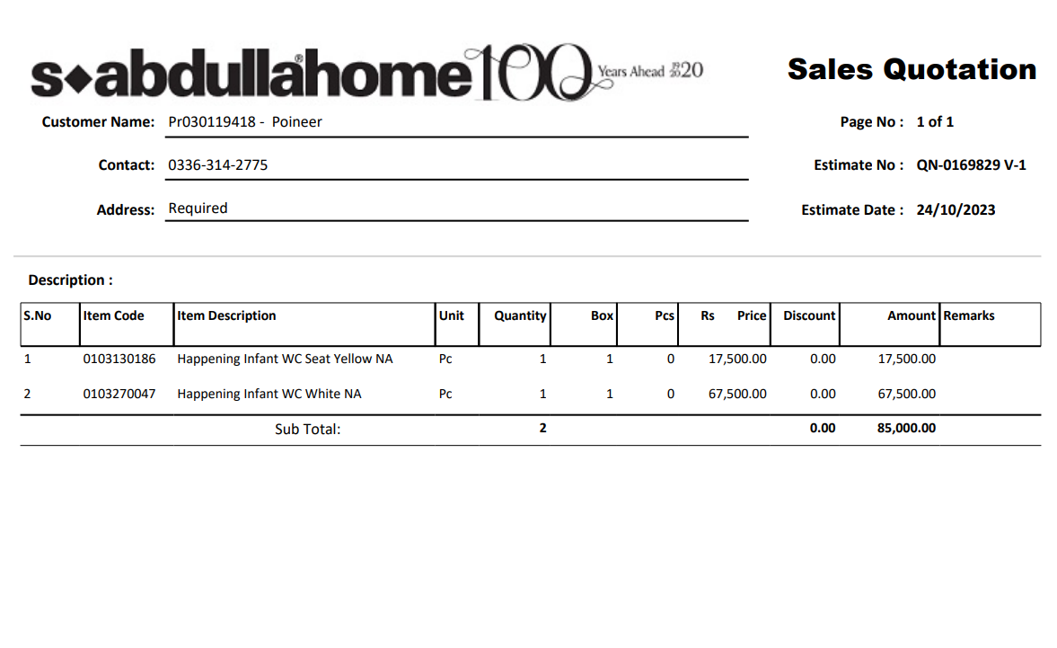

PES/DMC/005/10/23 |  |  |  |  |  |  |  | 2023-10-26

Attn: Mr. Anas Aftab

Variation order for Kids Comode - Dolmen Family Area DMC Karachi

S. # | Description | Material Rate | Labour Rate | Over Head profit 20% | Tax 7.5% | Unit | Qty | Amount
i | Supply and installation of Kids commode | 67,500 | 10,000 | 15,500 | 6,975 | No | 1 | 99,975
ii | Supply and installation of yellow seat cover for Kid commode | 17,500 | 2,500 | 4,000 | 1,800 | No | 1 | 25,800
iii | Supply and installation of hanging material | 5,000 | 5,000 | 2,000 | 900 | Job | 1 | 12,900
Total Amount Rs |  |  |  |  |  |  |  | 138,675

Thanking you,

For PIONEER ENGINEERING SERVICES.

Bilal Habib

